Tubing System
 |  |  |  |  |  | NAME | TIER 1 DIST PRICING
 |  |  |  |  |  | DATE | 2024-01-31
 |  |  |  |  |  | QUOTE FILE NAME
Price list 1-2024 |  |  |  | ENTER
info@rapidairproducts.com |  | LIST | DIST | QTY |  | PIPE
PH 800-954-3310 | PART # | PRICE | COST | HERE | TOTAL | SIZE | DESCRIPTION
 | TUBING BLUE
 | M6026 | $95.99 | $67.19 |  | $0.00 | 1/2" | 1/2" MAXLINE TUBING 100FT ROLL, includes bevel tool and cutter, non returnable
 | M6027 | $272.98 | $191.08 |  | $0.00 | 1/2" | 1/2" MAXLINE TUBING 300FT ROLL, includes bevel tool and cutter, non returnable
 | M6030 | $197.15 | $138.01 |  | $0.00 | 3/4" | 3/4" MAXLINE TUBING 100FT ROLL, includes bevel tool and cutter, non returnable
 | M6031 | $494.99 | $346.49 |  | $0.00 | 3/4" | 3/4" MAXLINE TUBING 300FT ROLL, includes bevel tool and cutter, non returnable
 | M6032 | $257.99 | $180.59 |  | $0.00 | 1" | 1" MAXLINE TUBING 100FT ROLL includes bevel tool and cutter, non returnable
 | M6033 | $679.97 | $475.98 |  | $0.00 | 1" | 1" MAXLINE TUBING 300FT ROLL, includes bevel tool and cutter, non returnable
 | M6520-100 | $589.97 | $412.98 |  | $0.00 | 2" | 2" MAXLINE 100 FT ROLL does not include deburr tool, crimp tool or cutter, non returnable
 | M6520 | $1,139.97 | $797.98 |  | $0.00 | 2" | 2" MAXLINE TUBING 200FT ROLL, does not include deburr tool, crimp tool or cutter, non returnable

 | M6026-25 | $25.15 | $17.60 |  | $0.00 | 1/2" | MAXLINE 1/2 TUBING X 25 FT with instruction sheet, non returnable
 | M6026-50 | $49.74 | $34.82 |  | $0.00 | 1/2" | MAXLINE 1/2 TUBING X 50 FT with instruction sheet, non returnable
 | M6030-25 | $50.57 | $35.40 |  | $0.00 | 3/4" | MAXLINE 3/4 TUBING X 25 FT with instruction sheet, non returnable
 | M6030-50 | $100.94 | $70.66 |  | $0.00 | 3/4" | MAXLINE 3/4 TUBING X 50 FT with instruction sheet, non returnable
 | M6032-25 | $67.94 | $47.56 |  | $0.00 | 1" | MAXLINE 1" TUBING X 25 FT with instruction sheet, non returnable
 | M6032-50 | $135.97 | $95.18 |  | $0.00 | 1" | MAXLINE 1" TUBING X 50 FT with instruction sheet, non returnable
 | TUBING GREEN
 | M6026G | $100.45 | $70.31 |  | $0.00 | 1/2" | 1/2" MAXLINE TUBING 100FT ROLL, GREEN, includes bevel tool and cutter, non returnable
 | M6027G | $284.47 | $199.13 |  | $0.00 | 1/2" | 1/2" MAXLINE TUBING 300FT ROLL, GREEN, includes bevel tool and cutter, non returnable
 | M6030G | $204.96 | $143.47 |  | $0.00 | 3/4" | 3/4" MAXLINE TUBING 100FT ROLL, GREEN, includes bevel tool and cutter, non returnable
 | M6031G | $516.95 | $361.87 |  | $0.00 | 3/4" | 3/4" MAXLINE TUBING 300FT ROLL, GREEN, includes bevel tool and cutter, non returnable
 | M6032G | $272.95 | $191.06 |  | $0.00 | 1" | 1" MAXLINE TUBING 100FT ROLL, GREEN, includes bevel tool and cutter, non returnable
 | M6033G | $709.94 | $496.96 |  | $0.00 | 1" | 1" MAXLINE TUBING 300FT ROLL, GREEN includes bevel tool and cutter, non returnable
 | MOUNTING
 | M8064 | $13.95 | $9.76 |  | $0.00 | 1/2" | 1/2" PIPE CLIP MAXLINE 10/PACK
 | M8065 | $19.45 | $13.62 |  | $0.00 | 3/4" | 3/4" PIPE CLIP MAXLINE 10/PACK
 | M8066 | $25.35 | $17.74 |  | $0.00 | 1" | 1" PIPE CLIP MAXLINE 10/PACK
 | ST010T062 | $3.24 | $2.27 |  | $0.00 | 1/2" | 1/2" MAXLINE STRUT CUSHION CLAMP .62 O.D 5/8"" TUBING
STRUT CLAMP | F0022 | $3.67 | $2.57 |  | $0.00 | 3/4" | 1" FASTPIPE, 1" TUBING, STRUT CUSHION CLAMP 1.00 O.D
 | ST035NP100 | $3.54 | $2.48 |  | $0.00 | 1" | 1" MAXLINE STRUT CUSHION CLAMP 1"" N. PIPE 1.31 O.D.
 | ST068T250 | $5.34 | $3.74 |  | $0.00 | 2" | 2" MAXLINE STRUT CUSHION CLAMP 63MM -2-1/2" ALUM PIPE
 | UNION
 | MC8021 | $13.10 | $9.17 |  | $0.00 | 1/2" | 1/2" UNION FITTING COMPRESSED FLEXIBLE TUBING
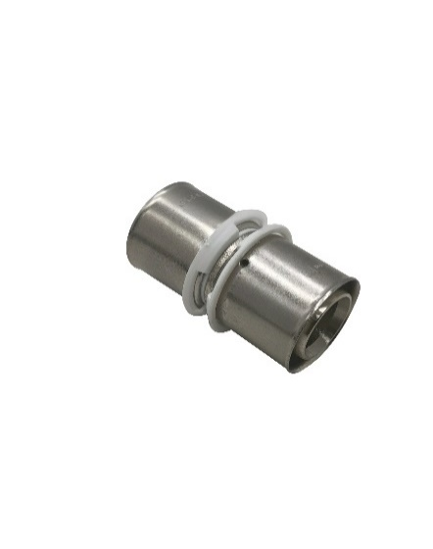
 | MC8022 | $25.52 | $17.87 |  | $0.00 | 3/4" | 3/4" UNION FITTING COMPRESSED FLEXIBLE TUBING
 | MC8023 | $33.58 | $23.50 |  | $0.00 | 1" | 1" UNION FITTING COMPRESSED FLEXIBLE TUBING
 | M8525 | $76.97 | $53.88 |  | $0.00 | 2" | 2" UNION FITTING MAXLINE

 | MC8024 | $25.04 | $17.53 |  | $0.00 | 3/4" | 3/4" X 1/2" REDUCING UNION FITTING COMPRESSED FLEXIBLE TUBING
 | MC8020 | $32.71 | $22.90 |  | $0.00 | 1" | 1" X 1/2" REDUCING UNION FITTING COMPRESSED FLEXIBLE TUBING
 | MC8025 | $33.98 | $23.79 |  | $0.00 | 1" | 1" X 3/4" REDUCING UNION FITTING COMPRESSED FLEXIBLE TUBING
 | 90 DEG ELBOW
 | MC8080 | $13.18 | $9.22 |  | $0.00 | 1/2" | 1/2" ELBOW FITTING COMPRESSED FLEXIBLE TUBING
 | MC8067 | $29.02 | $20.31 |  | $0.00 | 3/4" | 3/4" ELBOW COMPRESSED FLEXIBLE TUBING
 | MC8068 | $38.38 | $26.86 |  | $0.00 | 1" | 1" ELBOW COMPRESSED FLEXIBLE TUBING
 | M8535 | $76.97 | $53.88 |  | $0.00 | 2" | 2" ELBOW FITTING MAXLINE
 | EQUAL TEE
 | MC8010 | $17.58 | $12.31 |  | $0.00 | 1/2" | 1/2" EQUAL TEE COMPRESSED FLEXIBLE TUBING
 | MC8011 | $31.90 | $22.33 |  | $0.00 | 3/4" | 3/4" EQUAL TEE COMPRESSED FLEXIBLE TUBING
 | MC8012 | $41.45 | $29.01 |  | $0.00 | 1" | 1" EQUAL TEE COMPRESSED FLEXIBLE TUBING
 | M8530 | $96.24 | $67.37 |  | $0.00 | 2" | 2" TEE FITTING MAXLINE
 | REDUCING TEE X TUBE
 | MC8014 | $27.84 | $19.49 |  | $0.00 | 1/2" | 3/4" REDUCING TEE FITTING, DROP LEG 1/2" COMPRESSED FLEXIBLE TUBING
 | MC8016 | $49.59 | $34.71 |  | $0.00 | 3/4" | 1" REDUCING TEE FITTING, DROP LEG 1/2" COMPRESSED FLEXIBLE TUBING
 | MC8018 | $42.84 | $29.99 |  | $0.00 | 1" | 1" REDUCING TEE FITTING, DROP LEG 3/4" COMPRESSED FLEXIBLE TUBING
 | REDUCING TEE NPT MAIN PIPE DROP FEMALE NPT
 | MC8019 | $17.83 | $12.48 |  | $0.00 | 1/2" | 1/2" REDUCING TEE X 1/2" FEMALE NPT COMPRESSED FLEXIBLE TUBING
 | MC8078 | $32.23 | $22.56 |  | $0.00 | 3/4" | 3/4" REDUCING TEE, 1/2" FEMALE NPT DROP LEG COMPRESSED FLEXIBLE TUBING
 | MC8089 | $38.38 | $26.86 |  | $0.00 | 1" | 1" REDUCING TEE, 3/4" FEMALE NPT DROP LEG, COMPRESSED FLEXIBLE TUBING
 | M8531 | $89.77 | $62.84 |  | $0.00 | 2" | 2" REDUCING TEE X 1"" FEMALE NPT FITTING MAXLINE

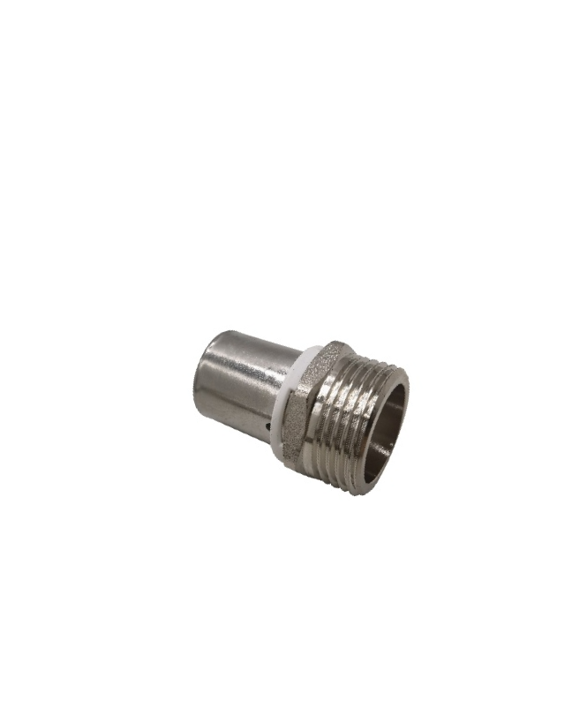
 | MALE THREADED ADAPTER NPT
 | MC8001 | $9.71 | $6.80 |  | $0.00 | 1/2" | 1/2" COMPRESSED FLEXIBLE TUBING X 3/8" MALE NPT STRAIGHT FITTING
 | MC8002 | $10.30 | $7.21 |  | $0.00 | 1/2" | 1/2" COMPRESSED FLEXIBLE TUBING X 1/2" MALE NPT STRAIGHT FITTING
 | MC8005 | $20.81 | $14.57 |  | $0.00 | 3/4" | 3/4" COMPRESSED FLEXIBLE TUBING X 1/2" MALE NPT FITTING
 | MC8003 | $22.32 | $15.62 |  | $0.00 | 3/4" | 3/4" COMPRESSED FLEXIBLE TUBING X 3/4" MALE NPT FITTING
 | MC8015 | $55.42 | $38.79 |  | $0.00 | 1" | 1" COMPRESSED FLEXIBLE TUBING X 3/4" MALE NPT STRAIGHT FITTING
 | MC8004 | $27.24 | $19.07 |  | $0.00 | 1" | 1" COMPRESSED FLEXIBLE TUBING X 1" MALE NPT STRAIGHT FITTING
 | M8541 | $72.49 | $50.75 |  | $0.00 | 2" | 2" MAXLINE X 1" MALE NPTF STRAIGHT FITTING
 | M8542 | $76.55 | $53.58 |  | $0.00 | 2" | 2" MAXLINE X 2" MALE NPTF STRAIGHT FITTING
 | MALE THREADED ADAPTER ELBOW NPT
 | MC8085 | $19.97 | $13.98 |  | $0.00 | 1/2" | 1/2" COMPRESSED FLEXIBLE TUBING X 1/2" MALE NPT ELBOW FITTING
 | MC8086 | $31.91 | $22.34 |  | $0.00 | 3/4" | 3/4" COMPRESSED FLEXIBLE TUBING X 1/2" MALE NPT ELBOW FITTING
 | MC8088 | $36.03 | $25.22 |  | $0.00 | 3/4" | 3/4" COMPRESSED FLEXIBLE TUBING X 3/4" MALE NPT ELBOW FITTING
 | MC8090 | $28.06 | $19.64 |  | $0.00 | 1" | 1" COMPRESSED FLEXIBLE TUBING X 1" MALE NPT ELBOW FITTING
 | FEMALE THREADED ADAPTER NPT
 | MC8006 | $11.69 | $8.18 |  | $0.00 | 1/2" | 1/2" COMPRESSED FLEXIBLE TUBING X 1/2" FEMALE NPT STRAIGHT FITTING
 | MC8007 | $24.89 | $17.42 |  | $0.00 | 3/4" | 3/4" COMPRESSED FLEXIBLE TUBING X 3/4" FEMALE NPT STRAIGHT FITTING

 | MC8009 | $17.83 | $12.48 |  | $0.00 | 1/2" | 1/2" COMPRESSED FLEXIBLE TUBING SINGLE PORT ELBOW, 1/2" FEMALE NPT

 | INLINE VALVE
 | MC8038 | $47.28 | $33.10 |  | $0.00 | 1/2" | 1/2" INLINE HAND VALVE COMPRESSED FLEXIBLE TUBING standard handle
 | MC8039 | $47.84 | $33.49 |  | $0.00 | 3/4" | 3/4" INLINE HAND VALVE COMPRESSED FLEXIBLE TUBING
 | MC8040 | $82.10 | $57.47 |  | $0.00 | 1" | 1" INLINE HAND VALVE COMPRESSED FLEXIBLE TUBING
 | END CAP
 | MC8026 | $17.29 | $12.10 |  | $0.00 | 1/2" | 1/2" END CAP FITTING COMPRESSED FLEXIBLE TUBING
 | MC8027 | $19.82 | $13.88 |  | $0.00 | 3/4" | 3/4" END CAP FITTING COMPRESSED FLEXIBLE TUBING
 | MC8028 | $24.48 | $17.14 |  | $0.00 | 1" | 1" END CAP FITTING COMPRESSED FLEXIBLE TUBING
 | WALL OUTLET (ON WALL) SINGLE PORT
 | MC3810 | $41.62 | $29.13 |  | $0.00 | 1/2" | 1/2" SINGLE PORT OUTLET, 1/4" NPT OUTLET PORT , COMPRESSED FLEXIBLE TUBING
 | MC3810V | $52.42 | $36.69 |  | $0.00 | 1/2" | 1/2" SINGLE PORT OUTLET, 1/4" NPT OUTLET PORT, WITH SHUTOFF , COMPRESSED FLEXIBLE TUBING
 | MC8101 | $49.25 | $34.48 |  | $0.00 | 1/2" | 1/2" SINGLE PORT OUTLET, 1/2" NPT OUTLET PORT , COMPRESSED FLEXIBLE TUBING
 | MC8101V | $69.41 | $48.59 |  | $0.00 | 1/2" | 1/2" SINGLE PORT OUTLET, 1/2" NPT OUTLET PORT, WITH SHUTOFF , COMPRESSED FLEXIBLE TUBING
 | MC7510 | $49.25 | $34.48 |  | $0.00 | 3/4" | 3/4" SINGLE PORT OUTLET, 1/2" NPT OUTLET PORT , COMPRESSED FLEXIBLE TUBING
 | MC7510V | $69.44 | $48.61 |  | $0.00 | 3/4" | 3/4" SINGLE PORT OUTLET, 1/2" NPT OUTLET PORT, WITH SHUTOFF , COMPRESSED FLEXIBLE TUBING
 | MC7510-2 | $60.06 | $42.04 |  | $0.00 | 3/4" | 3/4" 2 PORT OUTLET, 1/2 NPT & 1/4 NPT , COMPRESSED FLEXIBLE TUBING
 | MC7510-2V | $91.72 | $64.20 |  | $0.00 | 3/4" | 3/4" 2 PORT OUTLET, 1/2 NPT & 1/4 NPT, W SHUTOFF , COMPRESSED FLEXIBLE TUBING
 | WALL OUTLET (ON WALL) MULTI PORT 4X
 | MC8200 | $71.90 | $50.33 |  | $0.00 | 1/2" | 1/2" MULTI PORT OUTLET, 1/2" NPT PORT (4X), , COMPRESSED FLEXIBLE TUBING
 | MC8200V | $92.06 | $64.44 |  | $0.00 | 1/2" | 1/2" MULTI PORT OUTLET, 1/2" NPT PORT (4X), W SHUTOFF , COMPRESSED FLEXIBLE TUBING
 | MC8201 | $81.71 | $57.20 |  | $0.00 | 3/4" | 3/4" MULTI PORT OUTLET, 1/2" NPT PORT (4X), , COMPRESSED FLEXIBLE TUBING
 | MC8201V | $115.04 | $80.53 |  | $0.00 | 3/4" | 3/4" MULTI PORT OUTLET, 1/2" NPT PORT (4X), W SHUTOFF , COMPRESSED FLEXIBLE TUBING
 | MC8203 | $105.02 | $73.51 |  | $0.00 | 1" | 1" MULTI PORT OUTLET, 1/2" NPT PORT (4X), , COMPRESSED FLEXIBLE TUBING
 | MC8203V | $136.68 | $95.68 |  | $0.00 | 1" | 1" MULTI PORT OUTLET, 1/2" NPT PORT (4X), W SHUTOFF , COMPRESSED FLEXIBLE TUBING
 | THRU WALL OUTLET

 | MC3810W | $64.69 | $45.28 |  | $0.00 | 1/2" | 1/2" SINGLE PORT OUTLET, THRU WALL, 1/4" NPT OUTLET PORT , COMPRESSED FLEXIBLE TUBING
 | MC7510W | $80.22 | $56.15 |  | $0.00 | 3/4" | 3/4" SINGLE PORT OUTLET, THRU WALL, 1/2" NPT OUTLET PORT , COMPRESSED FLEXIBLE TUBING

 | TOOLS
 | MC8054-10 | $5.99 | $4.19 |  | $0.00 | 1/2" | 1/2" REPLACEMENT ORING COMPRESSED FLEXIBLE TUBING
...

