Sheet1
DURATEC TUBING SYSTEM | WWW.RAPIDAIRPRODUCTS.COM
2020-03-01 | PH 800-954-3310 |  |  | ENTER
Distributor Quote form |  | List | DIST | QTY | Total | TUBING
 | Part # | price | cost | HERE | Dist Cost | SIZE

 | D6026 | $133.69 | $120.32 | 0 | $0.00 | 1/2" | 100 FT .63 OD X .50 ID
 | D6027 | $401.39 | $361.25 | 0 | $0.00 | 1/2" | 300 FT .63 OD X .50 ID
 | D6030 | $215.41 | $193.87 | 0 | $0.00 | 3/4" | 100 FT .98 OD X .80 ID
 | D6031 | $619.19 | $557.27 | 0 | $0.00 | 3/4" | 300 FT .98 OD X .80 ID
 | D6032 | $272.80 | $245.52 | 0 | $0.00 | 1" | 100 FT 1.26 OD X 1.03 ID
 | D6033 | $817.18 | $735.46 | 0 | $0.00 | 1" | 300 FT 1.26 OD X 1.03 ID

 | D8064-10 | $10.89 | $9.80 | 0 | $0.00 | 1/2" | PIPE CLIP SPACING EVERY 3 FT PACK OF TEN
 | D8065-10 | $17.43 | $15.69 | 0 | $0.00 | 3/4" | PIPE CLIP SPACING EVERY 4-5 FT PACK OF TEN
 | D8066-10 | $21.79 | $19.61 | 0 | $0.00 | 1" | PIPE CLIP SPACING EVERY 5-6 FT PACK OF TEN

 | D8021 | $11.41 | $10.27 | 0 | $0.00 | 1/2" | UNION
 | D8022 | $28.43 | $25.59 | 0 | $0.00 | 3/4" | UNION
 | D8023 | $47.55 | $42.80 | 0 | $0.00 | 1" | UNION
 |  |  | $0.00
 | D8024 | $23.73 | $21.36 | 0 | $0.00 | 3/4" | REDUCING UNION 3/4" TUBING X 1/2" TUBING
 | D8025 | $33.11 | $29.80 | 0 | $0.00 | 1" | REDUCING UNION 1" TUBING X 3/4" TUBING

 | D8080 | $12.83 | $11.55 | 0 | $0.00 | 1/2" | 90 DEGREE ELBOW
 | D8067 | $32.69 | $29.42 | 0 | $0.00 | 3/4" | 90 DEGREE ELBOW
 | D8068 | $41.13 | $37.02 | 0 | $0.00 | 1" | 90 DEGREE ELBOW

 | D8010 | $22.81 | $20.53 | 0 | $0.00 | 1/2" | EQUAL TEE
 | D8011 | $41.02 | $36.92 | 0 | $0.00 | 3/4" | EQUAL TEE
 | D8012 | $70.91 | $63.82 | 0 | $0.00 | 1" | EQUAL TEE

 | D8014 | $36.01 | $32.41 | 0 | $0.00 | 3/4" | REDUCING TEE DROP LEG (C ) 1/2" TUBING
 | D8016 | $60.76 | $54.68 | 0 | $0.00 | 1" | REDUCING TEE DROP LEG (C ) 1/2" TUBING
 | D8018 | $67.61 | $60.85 | 0 | $0.00 | 1" | REDUCING TEE DROP LEG (C ) 3/4" TUBING

 | D8019 | $20.87 | $18.78 | 0 | $0.00 | 1/2" | REDUCING TEE DROP LEG 1/2" FEMALE NPT
 | D8078 | $23.28 | $20.95 | 0 | $0.00 | 3/4" | REDUCING TEE DROP LEG 1/2" FEMALE NPT

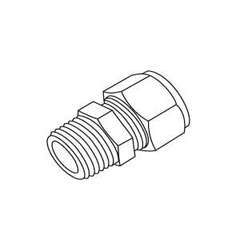
 | D8002 | $9.14 | $8.23 | 0 | $0.00 | 1/2" | STRAIGHT 1/2" TUBING X 1/2" MALE NPT
 | D8003 | $18.73 | $16.86 | 0 | $0.00 | 3/4" | STRAIGHT 3/4" TUBING X 3/4" MALE NPT
 | D8004 | $27.94 | $25.15 | 0 | $0.00 | 1" | STRAIGHT 1" TUBING X 1" MALE NPT

 | D8030 | $27.97 | $25.17 | 0 | $0.00 | 1/2" | STRGHT 1/2" TUBING X 1/2" MALE NPT 316 STAINLESS STL
 | D8031 | $52.09 | $46.88 | 0 | $0.00 | 3/4" | STRGHT 3/4" TUBING X 3/4" MALE NPT 316 STAINLESS STL
 | D8032 | $65.79 | $59.21 | 0 | $0.00 | 1" | STRAIGHT 1" TUBING X 1" MALE NPT 316 STAINLESS STL

 | D8006 | $9.77 | $8.79 | 0 | $0.00 | 1/2" | 1/2" TUBING X 1/2" FEMALE NPT
 | D8007 | $18.91 | $17.02 | 0 | $0.00 | 3/4" | 3/4" TUBING X 3/4" FEMALE NPT
 | D8008 | $31.04 | $27.94 | 0 | $0.00 | 1" | 1" TUBING X 1" FEMALE NPT

 | D8026 | $9.52 | $8.57 | 0 | $0.00 | 1/2" | END CAP
 | D8027 | $17.30 | $15.57 | 0 | $0.00 | 3/4" | END CAP
 | D8028 | $24.43 | $21.99 | 0 | $0.00 | 1" | END CAP

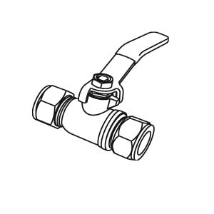

 | D8038 | $39.38 | $35.44 | 0 | $0.00 | 1/2" | INLINE HAND VALVE
 | D8039 | $51.20 | $46.08 | 0 | $0.00 | 3/4" | INLINE HAND VALVE
 | D8040 | $65.71 | $59.14 | 0 | $0.00 | 1" | INLINE HAND VALVE

 | IN WALL TUBING OR SURFACE MOUNT TUBING (MACHINED ALUMINUM) WITH WATER DRAIN

 | D8101 | $38.14 | $34.33 | 0 | $0.00 | 1/2" | SINGLE PORT OUTLET(1/2" NPT OUT)(1/2" NPT REAR/TOP)

 | D8101V | $47.95 | $43.16 | 0 | $0.00 | 1/2" | SINGLE PORT OUTLET WITH SHUTOFF

 | SURFACE MOUNT TUBING ONLY (MOLDED BODY) WITH WATER DRAIN AT BOTTOM | #N/A | #N/A
 | D8200 | $43.59 | $39.23 | 0 | $0.00 | 1/2" | DUAL PORT OUTLET, (2) 1/2" NPT OUTLET PORTS
 | D8201 | $49.04 | $44.14 | 0 | $0.00 | 3/4" | DUAL PORT OUTLET, (2) 1/2" NPT OUTLET PORTS
 | D8200V | $51.22 | $46.10 | 0 | $0.00 | 1/2" | DUAL PORT OUTLET WITH SHUTOFF
 | D8201V | $57.76 | $51.98 | 0 | $0.00 | 3/4" | DUAL PORT OUTLET WITH SHUTOFF

 | D8009 | $14.51 | $13.06 | 0 | $0.00 | 1/2" | SINGLE PORT ELBOW, 1/2" FEMALE NPT
 |  |  |  |  |  |  | NO WATER DRAIN, USE FOR INERT GAS
 | SPARE PARTS ONLY (FITTINGS COME ASSEMBLED WITH SPLIT RINGS)

 | D8047 | $0.78 | $0.70 | 0 | $0.00 | 1/2" | SPLIT RING
 | D8048 | $0.91 | $0.82 | 0 | $0.00 | 3/4" | SPLIT RING
 | D8049 | $1.87 | $1.68 | 0 | $0.00 | 1" | SPLIT RING

 | SPARE PARTS ONLY (FITTINGS COME ASSEMBLED WITH ORINGS)

 | D8054 | $0.62 | $0.56 | 0 | $0.00 | 1/2" | ORING
 | D8055 | $0.72 | $0.65 | 0 | $0.00 | 3/4" | ORING
 | D8056 | $0.96 | $0.86 | 0 | $0.00 | 1" | ORING

 | M8051 | $24.52 | $22.07 | 0 | $0.00 | TOOL | 1/2" - 1" PIPE CUTTER
 | D8050 | $13.07 | $11.76 | 0 | $0.00 | TOOL | 1/2" - 1" BEVELING TOOL
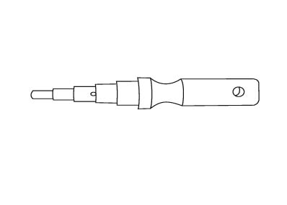

 |  | $0.00 | $0.00 | 0 | $0.00 |  | SHIPPING - ship rate based on fully commercial delivery/semi access, no added services, unless noted
 |  | LIST | $0.00 | 0 | $0.00 | COST
WEIGHT | 0.000
 |  |  |  |  |  |  | Purchases made for these goods subject to Terms & Conditions of Sale/Limited Warranty found @ rapidairproducts.com QUOTE GOOD FOR 30 DAYS. Applicable sales tax added at time of purchase

